Sheet1
TERVEZÉSI ADATOK
fck = | N/mm2 | 0 |  |  | Lap vastagság |  |  | mm | 200
fctk, fl = | N/mm2 |  |  |  | Ágyazat |  | K = | N/mm3 | 0.07
fctk = | N/mm2 |  |  |  | Szál: | Mapefibre ST42 |  | kg/m3 | 3
fctm = | N/mm2 |  |  |  | FR,j= Mpa | fr1 |  | fr4
Ecm = | kN/mm2 |  |  |  | Radius of relative stiffness |  |  | l = mm
n = | N/mm2 |  |  |  | Negative moment capacity |  |  | Mn = Nmm
d = | mm |  |  |  | Ultimate Positive moment capacity |  |  | Mu = Nmm
TERHELÉSEK
 |  | Megoszló terhelés |  |  |  |  | Vonalszerű terhelés
 |  | Load = kN/m2 |  |  |  |  | Load = kN/m
 |  | design Load kN/m2 |  |  |  |  | design Load kN/m

$$A=\frac{Load}{P}$$
 |  | Targonca |  |  |  |  | Teherautó
 |  | Kerék teher = kN |  |  |  |  | kerék teher kN |  | 0
 |  | Kerék lenyomat | a = mm | 200 |  |  |  | mm2
 |  |  | b = mm | 200
 |  | g = |  |  |  |  | g =
Spreading area distance - r = |  |  | mm |  | Spreading area distance - r = |  |  | mm
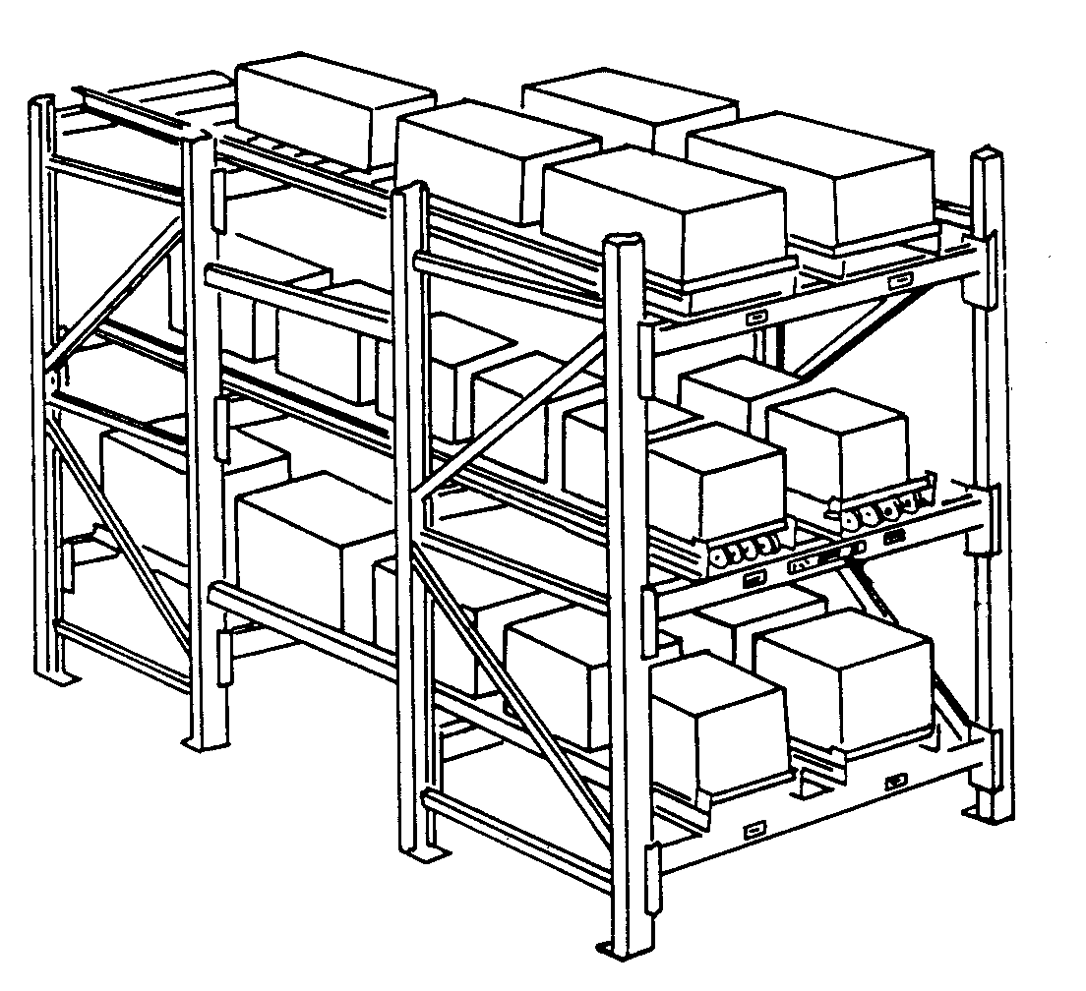
Pu = |  |  | kN |  | Pu = |  |  | kN

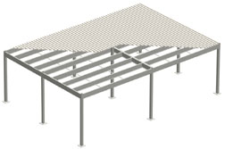
 |  | Polc rendszer |  |  |  |  | Beépítés
 |  | Láb tehermax |  | 0 |  |  | Qk = | kN/m2 | 0
 |  | l1 = mm |  | 200 |  |  | Gk = | kN/m2 | 1.25
 |  | l2 = mm |  | 200 |  |  | g(Gk) = |  | 1.35
 |  | c = mm |  | 1000 |  |  | g(Qk) = |  | 1.5
a = mm |  | rcomb |  |  | grid: a = m | 5 | base plate column | a = mm | 250
Acomb = mm2 |  | rcomb/l |  |  | grid: b = m | 4 |  | b = mm | 250
P = kN |  |  |  |  | Pu int (reqd) = kN
g = | 1.2 | Pu = kN |  |  | Pu ext (reqd) = kN

